Post-Analysis Suggestions
Next Steps | Which 1–2 user segments should Peppo prioritize? | Females of 40-45 age range can be targetted immediately in all markets. Audience in the 25-30 range can also be targetted for conversion to Gold.
 | What product or growth experiments would you recommend? | More marketing focus towards making users watch the recipe videos as it is seen that all Gold Users have watched the videos. Identify which products are selling most in Delhi and introduce them to the other northern states and the same with Bangalore products in the southern states. | 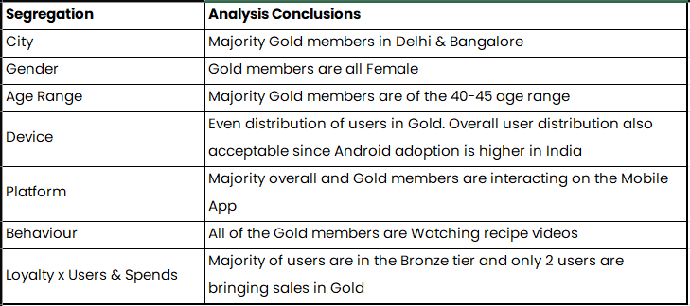
 | What can be deprioritized or cut? | Any efforts made towards Web app optimization or promotion.
 | How would the strategy differ if Peppo expanded to Tier 2 cities? | Cannot be determined at the moment. Following supporting data required: Why is it working in Delhi & Bangalore? Why is it working for people more than 40 years of age?
 | Should Peppo remove meal kits for singles? | Cannot be decided at the moment. Possible majority singles age range (20-25) are mostly in the Bronze and Silver Tiers and none in Gold. User interview to be conducted to identify if they are all single or not, why they are not purchasing more and identify if there is potential for them to be converted to Gold.
 | What experiments could be run to test price sensitivity or variety? | Need to understand why there is so less difference between the average sales values of Bronze and Silver tier and why such a huge difference in the number of users between these two and Gold. Also await results of user research on why Gold Members are from Delhi & Bangalore only.

